responsive
Responsive testing of la pinoz pizza
Created by - Juhi soni
Reviewed by-
Created date - 25-03-2023
Reviewed date-

Peoblem | Screenshot

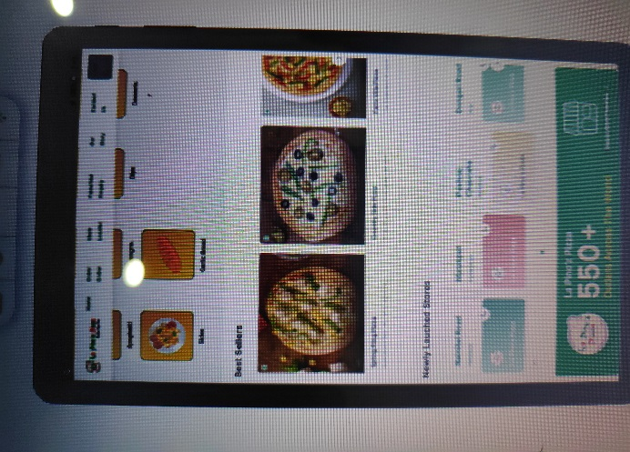
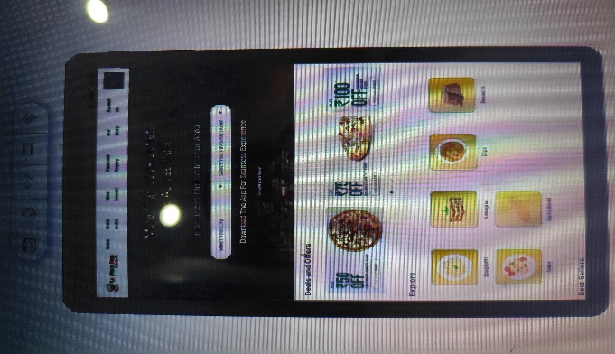
In galaxy tab s4 10.5 the fonts are looking not clear as compared to phone galaxy note 9
In galaxy tab s4 10.5 while using explore option it is not showing any result
In galaxy tab s4 10.5 the picture quality of pizzas is not as good as in the phone galaxy not 9

